Ethanol RFA
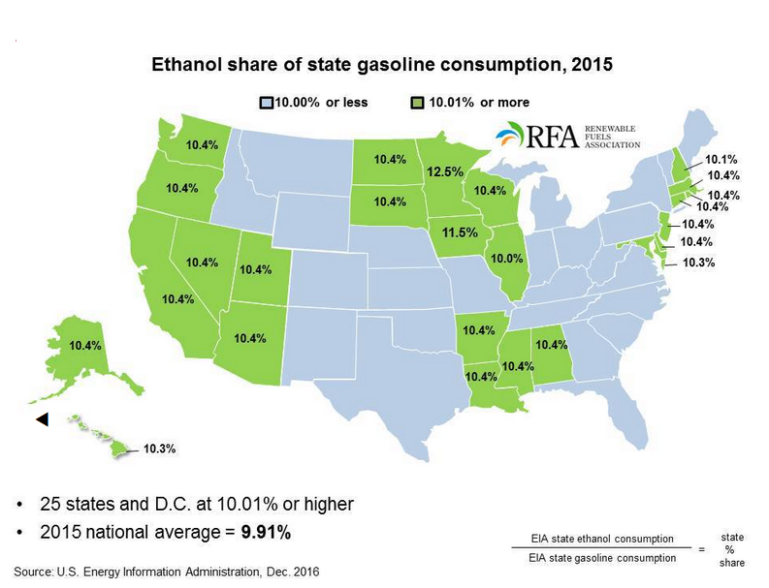
State | Commercial | Industrial | Transportation | Total | Commercial a | Industrial a | Transportation a | Total a
 | Thousand barrels |  |  |  | Trillion Btu |  |  |  | aIn estimating the Btu consumption of fuel ethanol, the Btu content of denaturant (petroleum products added to ethanol to make it unsuitable for human consumption) is removed. This identifies the renewable portion of fuel ethanol and avoids double-counting when summing data across energy sources. | Notes: Fuel ethanol blended into motor gasoline, which is accounted for under motor gasoline, is shown separately in this table to display the use of renewable energy. · Totals may not equal sum of components due to independent rounding.
Alabama | 107 | 88 | 6,455 | 6,649 | 0.4 | 0.3 | 22.4 | 23.1 | Where shown, (s) = Physical unit value less than 0.5 or Btu value less than 0.05. | Sources: Data sources, estimation procedures, and assumptions are described in the Technical Notes.
Alaska | 31 | 10 | 672 | 713 | 0.1 | (s) | 2.3 | 2.5
Arizona | 186 | 177 | 6,566 | 6,929 | 0.6 | 0.6 | 22.8 | 24.1
Arkansas | 64 | 75 | 3,436 | 3,576 | 0.2 | 0.3 | 11.9 | 12.4
California | 1,043 | 621 | 35,617 | 37,281 | 3.6 | 2.2 | 123.7 | 129.5
Colorado | 140 | 116 | 5,083 | 5,340 | 0.5 | 0.4 | 17.6 | 18.5
Connecticut | 96 | 39 | 3,529 | 3,663 | 0.3 | 0.1 | 12.3 | 12.7
Delaware | 24 | 14 | 1,121 | 1,159 | 0.1 | (s) | 3.9 | 4
Dist. of Col. | 7 | 4 | 265 | 275 | (s) | (s) | 0.9 | 1
Florida | 493 | 402 | 18,284 | 19,179 | 1.7 | 1.4 | 63.5 | 66.6
Georgia | 215 | 114 | 10,488 | 10,816 | 0.7 | 0.4 | 36.4 | 37.6
Hawaii | 32 | 29 | 1,073 | 1,135 | 0.1 | 0.1 | 3.7 | 3.9
Idaho | 35 | 54 | 1,675 | 1,764 | 0.1 | 0.2 | 5.8 | 6.1
Illinois | 259 | 191 | 11,724 | 12,175 | 0.9 | 0.7 | 40.7 | 42.3
Indiana | 151 | 96 | 6,908 | 7,155 | 0.5 | 0.3 | 24 | 24.8
Iowa | 305 | 86 | 4,145 | 4,536 | 1.1 | 0.3 | 14.4 | 15.8
Kansas | 61 | 84 | 2,727 | 2,872 | 0.2 | 0.3 | 9.5 | 10
Kentucky | 71 | 51 | 4,874 | 4,996 | 0.2 | 0.2 | 16.9 | 17.3
Louisiana | 81 | 77 | 5,619 | 5,778 | 0.3 | 0.3 | 19.5 | 20.1
Maine | 30 | 22 | 1,741 | 1,793 | 0.1 | 0.1 | 6 | 6.2
Maryland | 172 | 55 | 6,717 | 6,944 | 0.6 | 0.2 | 23.3 | 24.1
Massachusetts | 145 | 78 | 6,680 | 6,903 | 0.5 | 0.3 | 23.2 | 24
Michigan | 188 | 147 | 10,162 | 10,498 | 0.7 | 0.5 | 35.3 | 36.5
Minnesota | 190 | 149 | 7,255 | 7,594 | 0.7 | 0.5 | 25.2 | 26.4
Mississippi | 47 | 41 | 4,092 | 4,181 | 0.2 | 0.1 | 14.2 | 14.5
Missouri | 128 | 93 | 7,132 | 7,354 | 0.4 | 0.3 | 24.8 | 25.5
Montana | 15 | 35 | 1,220 | 1,269 | 0.1 | 0.1 | 4.2 | 4.4
Nebraska | 37 | 67 | 1,918 | 2,023 | 0.1 | 0.2 | 6.7 | 7
Nevada | 87 | 46 | 2,703 | 2,836 | 0.3 | 0.2 | 9.4 | 9.8
New Hampshire | 35 | 18 | 1,664 | 1,717 | 0.1 | 0.1 | 5.8 | 6
New Jersey | 224 | 129 | 9,727 | 10,081 | 0.8 | 0.4 | 33.8 | 35
New Mexico | 40 | 59 | 2,323 | 2,422 | 0.1 | 0.2 | 8.1 | 8.4
New York | 307 | 269 | 12,286 | 12,862 | 1.1 | 0.9 | 42.7 | 44.7
North Carolina | 360 | 120 | 9,383 | 9,862 | 1.2 | 0.4 | 32.6 | 34.2
North Dakota | 10 | 42 | 1,109 | 1,161 | (s) | 0.1 | 3.9 | 4
Ohio | 286 | 149 | 10,962 | 11,398 | 1 | 0.5 | 38.1 | 39.6
Oklahoma | 91 | 85 | 4,264 | 4,441 | 0.3 | 0.3 | 14.8 | 15.4
Oregon | 92 | 67 | 3,660 | 3,819 | 0.3 | 0.2 | 12.7 | 13.3
Pennsylvania | 265 | 143 | 10,762 | 11,171 | 0.9 | 0.5 | 37.4 | 38.8
Rhode Island | 21 | 12 | 907 | 940 | 0.1 | (s) | 3.1 | 3.3
South Carolina | 108 | 55 | 5,982 | 6,145 | 0.4 | 0.2 | 20.8 | 21.3
South Dakota | 13 | 29 | 1,119 | 1,162 | (s) | 0.1 | 3.9 | 4
Tennessee | 126 | 106 | 7,049 | 7,281 | 0.4 | 0.4 | 24.5 | 25.3
Texas | 492 | 352 | 30,587 | 31,431 | 1.7 | 1.2 | 106.2 | 109.1
Utah | 40 | 41 | 2,549 | 2,630 | 0.1 | 0.1 | 8.9 | 9.1
Vermont | 12 | 9 | 662 | 682 | (s) | (s) | 2.3 | 2.4
Virginia | 220 | 73 | 9,127 | 9,420 | 0.8 | 0.3 | 31.7 | 32.7
Washington | 165 | 104 | 6,607 | 6,876 | 0.6 | 0.4 | 22.9 | 23.9
West Virginia | 34 | 26 | 1,828 | 1,888 | 0.1 | 0.1 | 6.3 | 6.6
Wisconsin | 120 | 107 | 6,195 | 6,422 | 0.4 | 0.4 | 21.5 | 22.3
Wyoming | 43 | 24 | 802 | 869 | 0.2 | 0.1 | 2.8 | 3
United States | 7,549 | 5,080 | 319,435 | 332,064 | 26.2 | 17.6 | 1,109.20 | 1,153.10

